Linear Regression, Nail
 | x, Independent Variable | y, Dependent Variable |  |  |  |  |  |  |  |  |  |  |  | Correlation
 | Air pressure, psi | Height of Nail out of Board, mm | XY | X^2 | Y^2 |  |  |  |  |  |  |  |  | -0.97364
 | 25 | 4.17 | 104.25 | 625.00 | 17.39
 | 67 | -0.66 | -44.22 | 4489.00 | 0.44
 | 68 | -1.06 | -72.08 | 4624.00 | 1.12
 | 59 | 0.62 | 36.58 | 3481.00 | 0.38
 | 47 | 1.22 | 57.34 | 2209.00 | 1.49
 | 38 | 2.97 | 112.86 | 1444.00 | 8.82 |  |  |  |  |  |  |  |  | b0 | b1 | x | y
 | 39 | 2.97 | 115.83 | 1521.00 | 8.82 |  |  |  |  |  |  |  |  | 7.4688 | -0.1219 | 44.863002461 | 2
 | 48 | 1.14 | 54.72 | 2304.00 | 1.30
 | 32 | 3.12 | 99.84 | 1024.00 | 9.73
 | 31 | 3.68 | 114.08 | 961.00 | 13.54
 | 44 | 1.84 | 80.96 | 1936.00 | 3.39
 | 40 | 2.80 | 112.00 | 1600.00 | 7.84
 | 41 | 2.15 | 88.15 | 1681.00 | 4.62
 | 66 | -0.27 | -17.82 | 4356.00 | 0.07
 | 24 | 4.45 | 106.80 | 576.00 | 19.80
 | 39 | 2.96 | 115.44 | 1521.00 | 8.76
 | 30 | 4.01 | 120.30 | 900.00 | 16.08
 | 40 | 2.92 | 116.80 | 1600.00 | 8.53
 | 64 | 0.58 | 37.12 | 4096.00 | 0.34
 | 59 | 0.62 | 36.58 | 3481.00 | 0.38
 | 45 | 1.71 | 76.95 | 2025.00 | 2.92
 | 44 | 2.09 | 91.96 | 1936.00 | 4.37
 | 29 | 4.16 | 120.64 | 841.00 | 17.31
 | 24 | 4.27 | 102.48 | 576.00 | 18.23 | y-bar
 | 66 | -0.29 | -19.14 | 4356.00 | 0.08
 | 53 | 0.99 | 52.47 | 2809.00 | 0.98
 | 58 | 0.83 | 48.14 | 3364.00 | 0.69
 | 45 | 1.53 | 68.85 | 2025.00 | 2.34
 | 33 | 3.00 | 99.00 | 1089.00 | 9.00
 | 65 | -0.25 | -16.25 | 4225.00 | 0.06
 | 21 | 5.63 | 118.23 | 441.00 | 31.70
 | 22 | 5.21 | 114.62 | 484.00 | 27.14
 | 23 | 4.51 | 103.73 | 529.00 | 20.34
 | 70 | -2.28 | -159.60 | 4900.00 | 5.20
 | 44 | 1.72 | 75.68 | 1936.00 | 2.96
 | 53 | 1.09 | 57.77 | 2809.00 | 1.19
 | 64 | 0.61 | 39.04 | 4096.00 | 0.37
 | 69 | -1.75 | -120.75 | 4761.00 | 3.06

Sum | 1729 | 73.01 | 2229.35 | 87631.00 | 280.80
n= | 38

 |  |  |  |  |  |  | SUMMARY OUTPUT

 |  |  |  |  |  |  | Regression Statistics
 |  |  |  |  |  |  | Multiple R | 0.97363801991
 |  |  |  |  |  |  | R Square | 0.94797099382
 |  |  |  |  |  |  | Adjusted R Square | 0.94652574365
 |  |  |  |  |  |  | Standard Error | 0.4506577244
 |  |  |  |  |  |  | Observations | 38
 |  | 84715.3 | 126234.29 | -41518.99 | -0.97363801991
 |  |  |  |  |  |  | ANOVA
 |  | 340537 | 5339.9133 | 42643.147813 |  |  |  | df | SS | MS | F | Significance F
 |  |  |  |  |  |  | Regression | 1 | 133.21270837 | 133.21270837 | 655.92173067 | 1.0572316053E-24
 |  |  |  |  |  |  | Residual | 36 | 7.3113258442 | 0.20309238456
 |  |  |  |  |  |  | Total | 37 | 140.52403421
 |  |  |  |  |  |  |  |  |  |  |  | Confidence Interval
 |  |  |  |  |  |  |  | Coefficients | Standard Error | t Stat | P-value | Lower 95% | Upper 95%
 |  |  |  |  |  |  | Intercept | 7.4687718515 | 0.22860911919 | 32.670489603 | 2.3557012264E-28 | 7.0051310683 | 7.9324126347
 |  |  |  |  |  |  | X Variable 1 | -0.12192211125 | 0.0047605426988 | -25.610968952 | 1.0572316053E-24 | -0.13157693934 | -0.11226728316

 |  |  |  |  |  |  |  | X1 |  | Best Estimate | 4.42
 |  |  |  |  |  |  |  | 25 |  | Upper Bound Estimate | 5.13
 |  |  |  |  |  |  |  |  |  | Lower Bound Estimate | 3.72

Correlation Plots
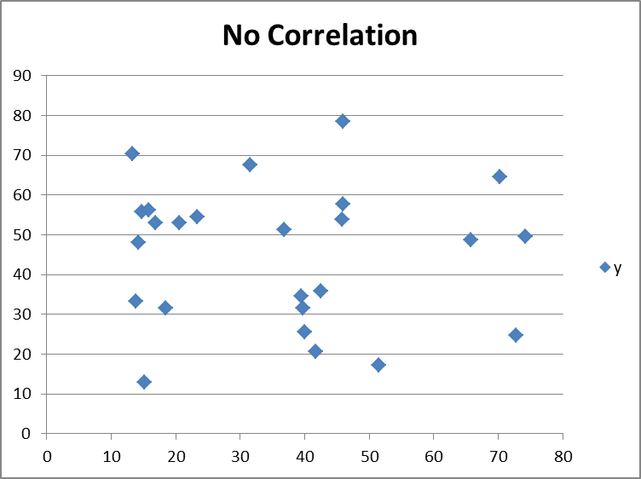
 | Correlation is a statistical measure that indicates the extent to which two or more variables fluctuate together

 |  | Between -1 and 1
-0.95 |  |  | -0.5
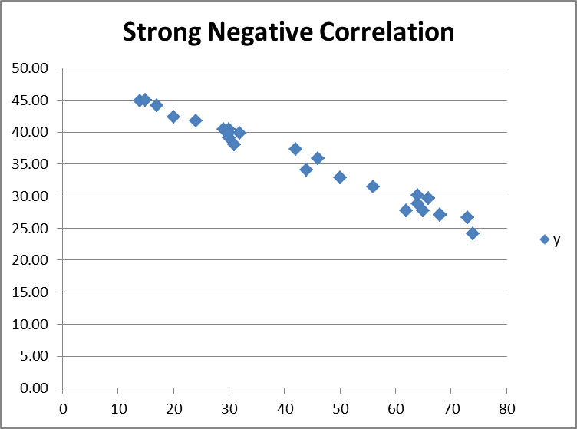
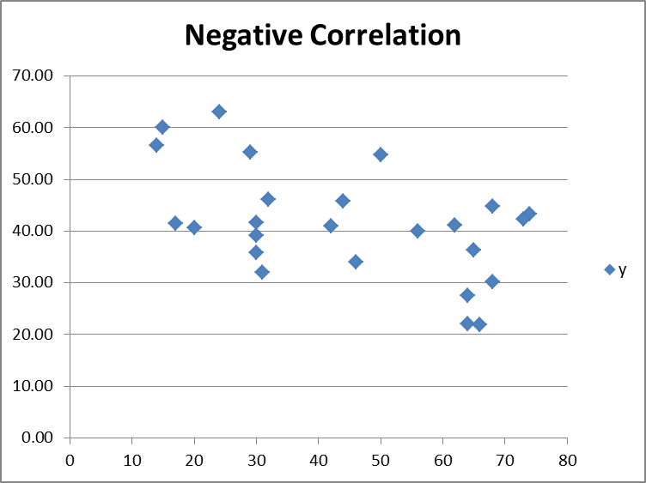

0.95 |  |  | 0.5
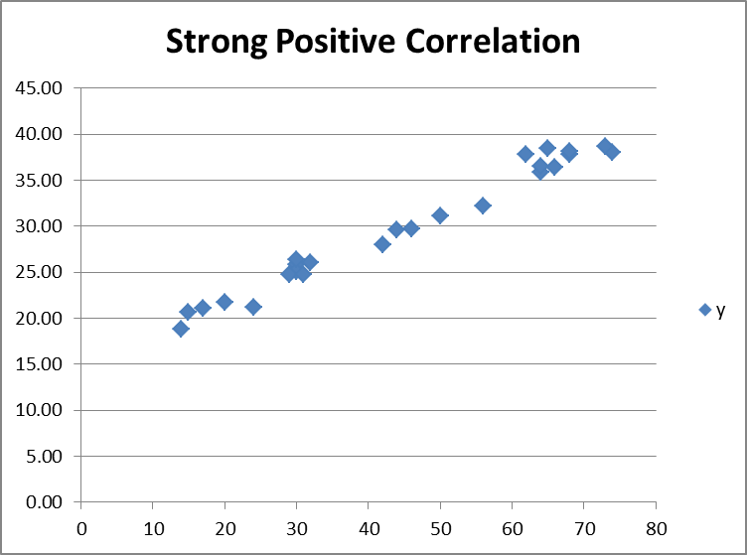
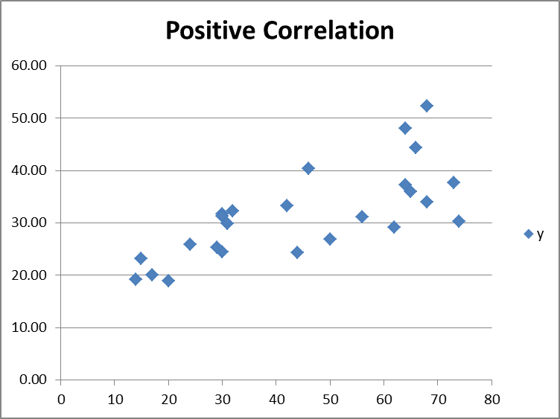

0.2

Composite Samples Regression
Temp
Study of Flexure Strength of Composite Samples
Flex Strength, y | Temp, X1 | Density, X2
7.57 | 63.3 | 8.3
49.50 | 68.0 | 16.7
53.05 | 68.3 | 21.3 | SUMMARY OUTPUT
47.66 | 66.3 | 21.7
25.31 | 64.3 | 15.4 | Regression Statistics
14.81 | 64.6 | 9.5 | Multiple R | 0.83343074447
26.22 | 64.5 | 15.0 | R Square | 0.69460680584
19.44 | 64.1 | 11.0 | Adjusted R Square | 0.67111502167
70.45 | 65.7 | 22.8 | Standard Error | 14.900389308
5.30 | 65.4 | 7.0 | Observations | 29
41.79 | 66.6 | 16.4
14.19 | 63.1 | 9.9 | ANOVA
Density
14.01 | 66.2 | 9.8 |  | df | SS | MS | F | Significance F
22.15 | 65.3 | 14.5 | Regression | 2 | 13129.502159 | 6564.7510797 | 29.568073711 | 2.0098868407E-07
48.22 | 66.5 | 21.2 | Residual | 26 | 5772.56164 | 222.02160154
43.24 | 65.7 | 17.4 | Total | 28 | 18902.063799
25.32 | 66.9 | 15.0
9.71 | 63.8 | 8.6 |  | Coefficients | Standard Error | t Stat | P-value | Lower 95% | Upper 95%
28.03 | 65.5 | 15.2 | Intercept | -544.56842087 | 111.81095112 | -4.8704390349 | 4.7306132272E-05 | -774.39912246 | -314.73771928
38.14 | 66.4 | 19.8 | X Variable 1 | 8.5571140757 | 1.77739528 | 4.8144125124 | 5.4849367954E-05 | 4.9036257535 | 12.210602398
72.59 | 67.3 | 24.4 | X Variable 2 | 1.095332334 | 0.62307593727 | 1.7579435644 | 0.090526110314 | -0.18541859753 | 2.3760832656
85.73 | 67.8 | 8.2
17.50 | 63.3 | 8.4
8.08 | 64.4 | 6.4
96.31 | 72.1 | 25.6
49.51 | 66.7 | 23.3
18.04 | 65.1 | 13.6
91.75 | 69.6 | 14.8
32.21 | 68.1 | 19.5

